Chart
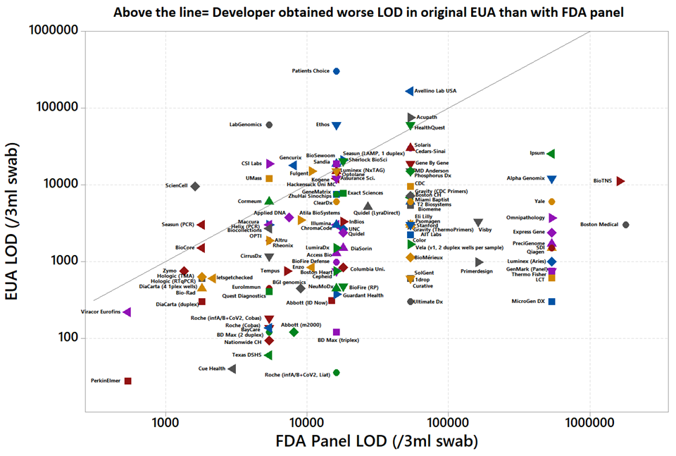
Scatter Plot showing EUA tests with EUA LOD on y axis and FDA Panel LOD on x axis
Above the line = Developer obtained worse LOD in original EUA than with FDA panel

